Sheet1
Product | Required | Image
Arduino UNO | Y | 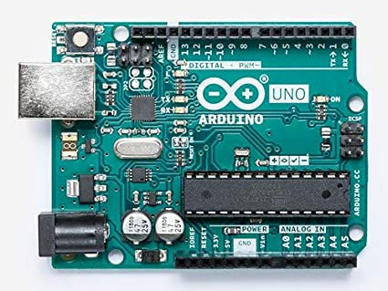
Raspberry Pi 3/4 or PC | Y | 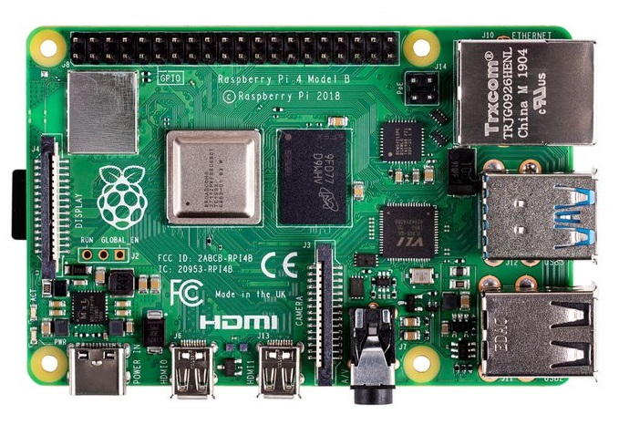
SG90 servo motors (x4) | Y | 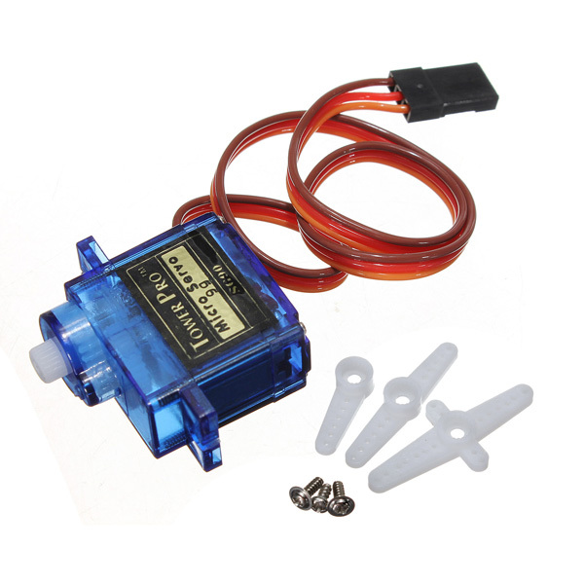
Power Supply Module | N | 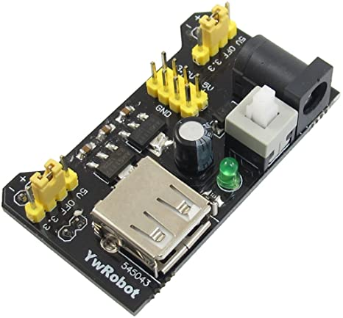
Prototype Expansion Board | N | 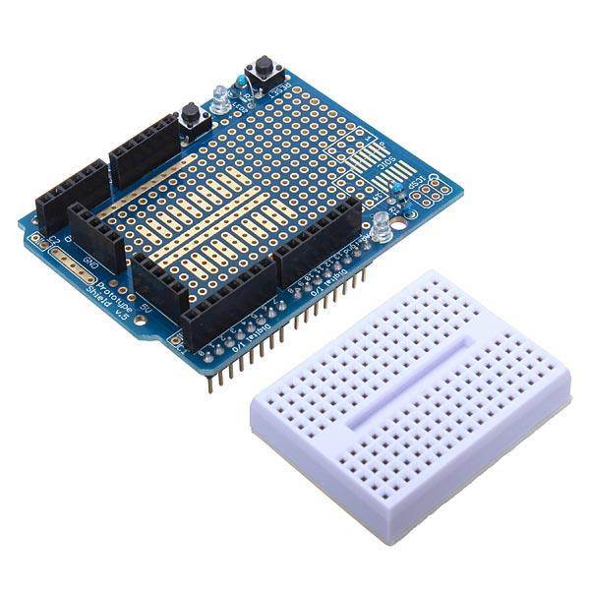
M3 Screws and Nuts | Y | 